Infiltration Calcs
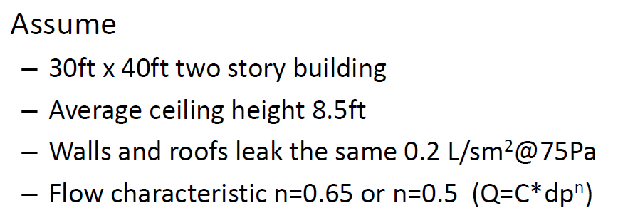
Q/m2@75 (L/sm2@75) | 0.2 | 0.4 | 0.6 | airflow per area | 1 l/s = | 2.1188799728 | cfm
Q/ft2@75 (cfm/ft2@75) | 0.04 | 0.08 | 0.12 | airflow per area | 1 m2 = | 10.7639 | ft2
 |  |  |  |  | 1 cfm = | 0.00047194745 | m3/s
 |  |  |  |  | 1 m2 = | 1550 | in2
n (0.5 to 1) | 0.65 | 0.65 | 0.65 | pressure exponent

Q/m2@50 (L/sm2@50) | 0.15366348456 | 0.30732696912 | 0.46099045369 | airflow per area
Q/ft2@50 (cfm/ft2@50) | 0.030 | 0.060 | 0.091 | airflow per area
Leaking Envelope Area (ft2) | 3,580 | 3,580 | 3,580
Volume (ft3) | 20,400 | 20,400 | 20,400
Q@50 (cfm@50) | 108 | 217 | 325 | airflow
Q@50 (m3/s) | 0.05 | 0.10 | 0.15 | airflow
ach50 | 0.32 | 0.64 | 0.96 |  |  |  |  | Owens Corning. "05_Air leakage to models_Karagiozis.pdf"
achn@N=20 | 0.015925075243 | 0.031850150485 | 0.047775225728
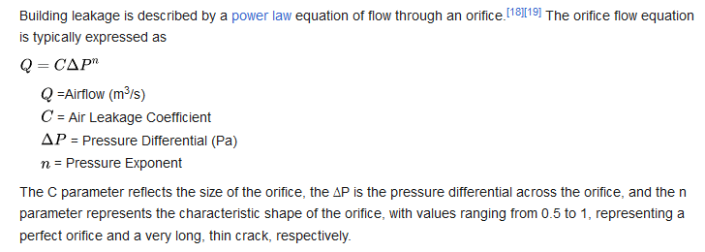
achn@N=15 | 0.021233433657 | 0.042466867313 | 0.06370030097
ρ (air, kg/m3) | 1.205 | 1.205 | 1.205 | density of air at sea level, 20°C
Q@4 (m3/s) | 0.01 | 0.02 | 0.03
ELA (m2) @ 4 Pa | 0.00 | 0.01 | 0.01 | effective leakage area
ELA (in2) @ 4 Pa | 5.95 | 11.91 | 17.86

 |  |  |  |  |  |  |  | https://en.wikipedia.org/wiki/Blower_door#Power_law_model_of_airflow

 |  |  |  |  |  |  |  | https://www.sciencedirect.com/topics/engineering/effective-leakage-area

 |  |  |  |  |  |  |  | https://en.wikipedia.org/wiki/Blower_door

 |  |  |  |  |  |  |  | https://unmethours.com/question/11481/difference-of-n50-and-infiltration-rate/

 |  |  |  |  |  |  |  | ACH50 = CFM50 x 60/ Building Volume (cubic feet)

